API defect report
Defect ID | Defect Description | Steps to Reproduce | Test Data | Severity | Screenshots for evidence
DEF_001 | Verify authentication failure when providing an incorrect password.Note: The API completely bypasses password verification if the user already has an active session token. An attacker only needs a valid username to log into an active user's account. | 1. Open SoapUI. 2. Set HTTP Method to GET. 3. Input base URL. 4. Enter parameters with wrong password. 5. Execute request. | action:checkLogin username:PavithraRamesh password: WrongPassword123 | Critical | 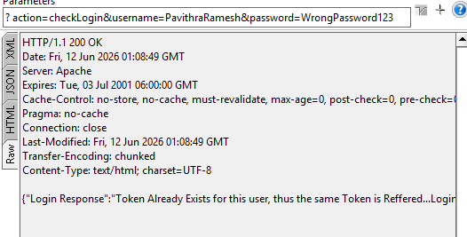
DEF_002 | Verify password parameter case-sensitivity. | 1. Enter valid username. 2. Enter correct password but with modified letter casing. 3. Execute request. | action:checkLogin username:PavithraRamesh password: hotel@123 | Critical | 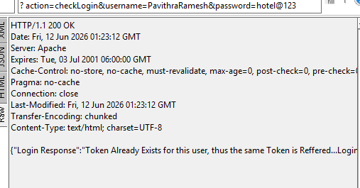
DEF_003 | Verify that the server returns an appropriate HTTP error status code for an unauthorized request. | 1. Open SoapUI. 2. Input an invalid token. 3. Execute request. 4. Verify the HTTP response code header line at the top of the Raw panel. | action: logout userToken: InvalidToken123 | Medium
DEF_004 | [Happy Path] Verify successful hotel search using a valid active token and filled parameters. | 1. Open SoapUI. 2. Set HTTP Method to GET. 3. Input parameter fields into the query grid. 4. Execute request and inspect response text. | action: searchHotel userToken: Adactin2020nfbMvhVL0e location: Sydney hotels: Hotel Creek room_type: single room_nos: 3 checkInDate: 24/04/2016 checkOutDate: 25/04/2016 adult_room: 3 child_room: 2 | Medium
DEF_005 | [Boundary Test] Verify backend price verification when total_price is deliberately altered. | 1. Use active token. 2. Set parameter total_price to an incorrect value (10). 3. Send request and verify RAW TAB | price_night = 330 total_price = 10 | Critical
DEF_006 | Negative Path: Verify customer validation rules when transaction is attempted with an invalid credit card format or number string. | 1. Open Book Hotel request. 2. Input invalid card information. 3. Execute request and look for dynamic fraud messages. | ccardno=12345 ccardtype=INVALID_CARD expiryMonth=Expired | High | 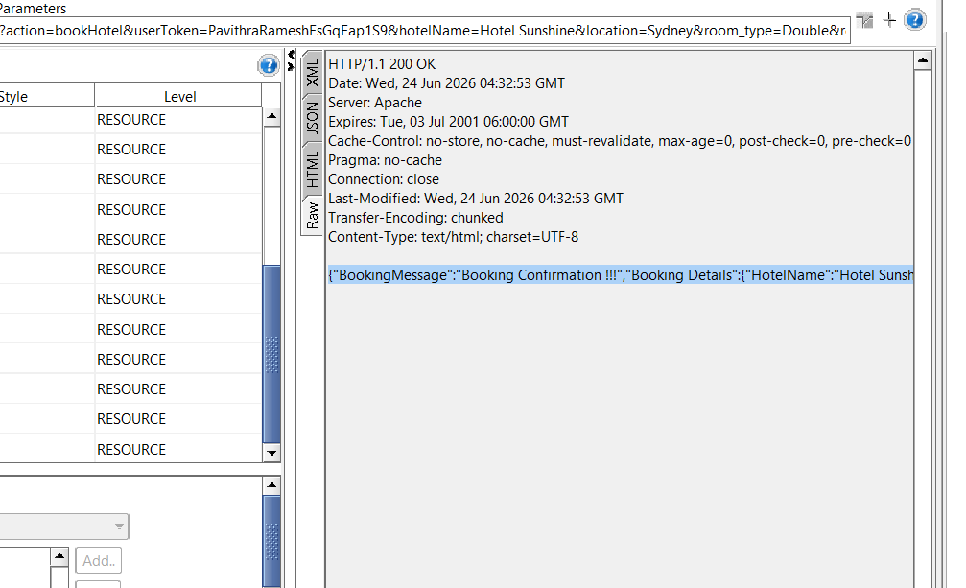
DEF_007 | [Boundary Test] Verify backend safeguards when identical request payloads are fired consecutively within seconds. | 1. Apply active session token. 2. Click the Play button twice in rapid succession. 3. Inspect response codes and message payload inside the Raw panel view. | Identical valid parameters. | High | 